Sheet1
Linear Fibc Bag

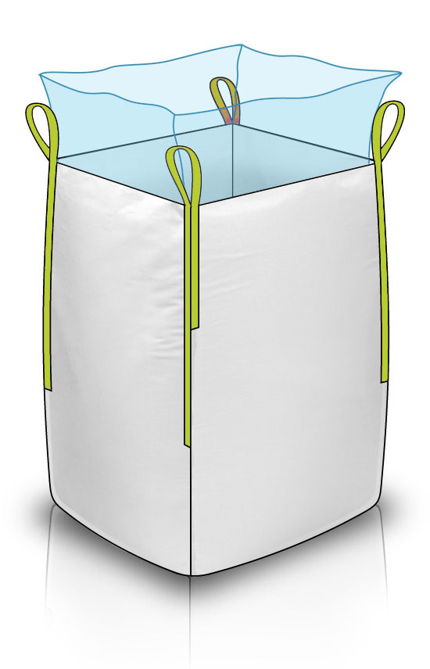
Features : Various Features of FIBC Bags
This Jumbo Bags With Pp/Pe Liners Are Generally Used For Safe Transit Of Food Products And Fine Powders.
Liners Are Inserted In Fibc And Are Compatible With Different Filling And Discharge Options.
Most Often Liners Are Loosely Inserted In Bags Or Can Also Be Attached By Way Of Tabbing Which Allow The Liners To Be Sewed, Tied Or Glued To The Bag Removing The Chance Of Liner Discharge.
Uses : It's is mainly used in following industries.
Poly Liners Are Plastic Liners Inserted Into Fibcs And Provide Protection Against Leaking.
Used In Situations Where Fine Powders Are Being Stored And Transported Or An Additional Moisture Barrier Is Needed To Add Protection To The Product.
Advantages : Following are the advantages.
Using Fibc Liners Helps To Keep The Product Safe By Shielding It From Moisture And Oxygen.
Even Small Amount Of Moisture Can Ruin Products Such As High-Purity Chemicals Or Foodstuffs.

